pcode decoder
POSTCODE DECODER

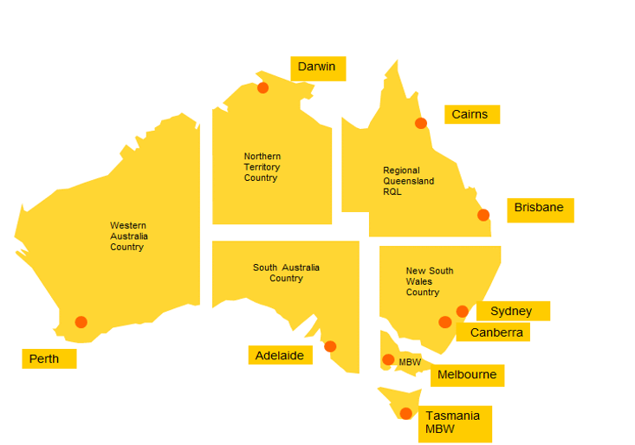

Origin/Destination SERVICE AREA | POST CODE RANGE
SYD | 1215-2081, 2084-2104, 2106-2156, 2158, 2160-2171, 2173-2229, 2230-2234, 2557-2560, 2564-2567, 2570, 2629, 2745-2751, 2753, 2754, 2756-2784, 2786, 2838
NSW | 2081-2083, 2105, 2157-2159, 2172, 2230, 2233, 2250-2478, 2479-2484, 2486, 2487, 2489-2556, 2560, 2563, 2568-2594, 2621-2633, 2640, 2642-2646, 2648-2653, 2655-2656, 2658-2660, 2663, 2665-2675, 2680, 2681, 2700-2703, 2705-2708, 2710-2711, 2715, 2717-2745, 2752-2755, 2780, 2785-2836, 2839-2899
CBR | 0200-0221, 2580, 2600-2621, 2630, 2900-2914
DRW | 0800-0886, 6740-6743, 6770
MEL | 2640-2642, 2646, 2647, 2650-2652, 2655, 2658, 2659, 2661, 2665, 2678-2681, 2700, 2705, 2710, 2712-2714, 2716, 2731, 2735, 3000-3996, 7030, 7109, 7116-7140, 7151, 7175-7176, 7182, 7209, 7210, 7212-7214, 7255-7257, 7263-7265, 7315, 7330, 7466-7469, 8001-8511
MBW | 7000-7027, 7050-7055, 7112-7113, 7150, 7155-7174, 7177-7209, 7210-7212, 7214-7254, 7258-7262, 7267-7310, 7316-7325, 7331, 7467-7470
BNE | 2479, 2481, 2483, 2485-2488, 4000-4022, 4029-4124, 4127-4179, 4205-4227, 4230, 4300-4306, 4343, 4345, 4350, 4352, 4500-4503, 4504-4506, 4508-4510, 4513, 4516, 4518-4519, 4550-4575, 9600-9726
RQL | 4025, 4069, 4125, 4183-4184, 4207, 4213, 4228, 4270-4287, 4306-4342, 4343-4344, 4346-4347, 4350, 4352-4498, 4500, 4503, 4506-4507, 4511-4512, 4513-4515, 4517, 4519-4521, 4550, 4552, 4553, 4554, 4560, 4563, 4570, 4571, 4574, 4580-4805, 4825
CNS | 4806-4824, 4828-4895
ADL | 5000-5950
PER | 0872, 6000-6733, 6751-6765, 6798-6997

Terms & Conditions
1. The post code ranges are subject to change without prior notice.
2. In cases where a postcode covers multiple service areas, DHL reserves the right to determine the service area for origin or destination based on factors such as the address's proximity to DHL's nearest facility and other relevant considerations.

DHL Express (Australia) Pty Limited ABN 62 001 112 929
Australia Wide Customer Service 13 14 06
www.dhl.com.au

Service conditions
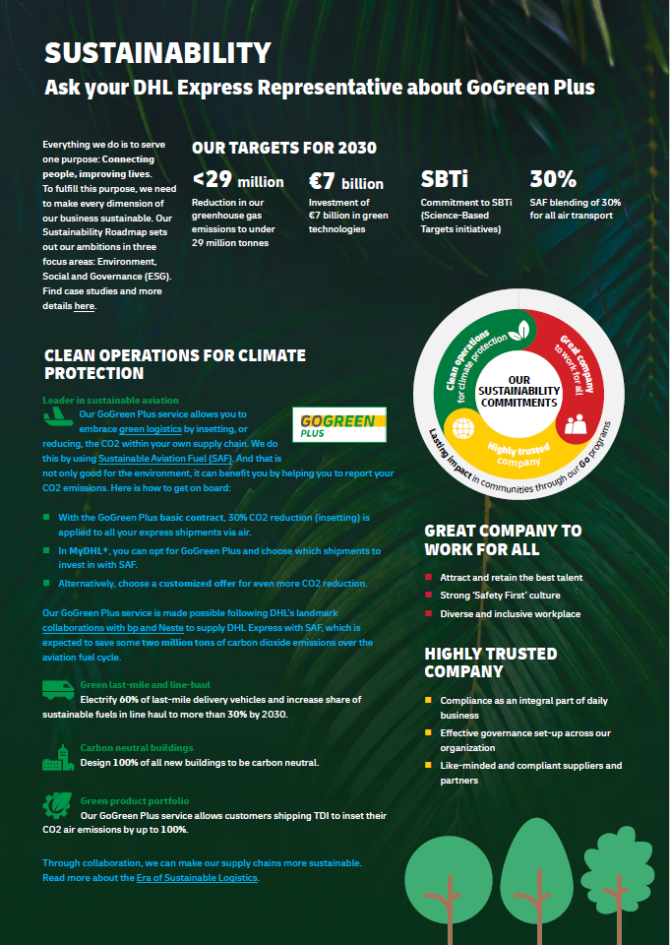
Standard Service Conditions
DHL Express

General
Acceptance of offer | ACCEPTANCE OF THIS DOCUMENT VIA OUR DHL E-SIGNATURE OFFER SOLUTION OR VIA SIGNED HARD COPY CONFIRMS THAT YOU HAVE ACCEPTED THE TERMS OF THIS OFFER TO PROVIDE SERVICES AS SET OUT IN THIS AGREEMENT. YOU ARE ALSO CONFIRMING THAT YOU ARE AN AUTHORISED SIGNATORY CAPABLE OF ACCEPTING THIS OFFER ON BEHALF OF THE CUSTOMER. THIS OFFER BY DHL AND YOUR ACCEPTANCE IS SUBJECT TO DHL RECEIVING A SATISFACTORY CREDIT CHECK AGAINST THE CUSTOMER.
Term and Termination | This Service Agreement between DHL and the Customer (as specified on the Letter of Offer) will commence on the agreed date after you have accepted the terms of the offer and shall continue for an initial period for one year or as otherwise specified in the Rates. This Service Agreement shall then continue until terminated by either party upon one months' prior written notice. This Service Agreement may be terminated early at any time by either party giving at least one months' prior written notice or with immediate effect in the event of the other party's insolvency, or if the other party commits a material breach which is either not capable of remedy or which that party fails to remedy within 14 days of receipt of written notice requesting the breach to be remedied.
Our service commitment | Rates quoted are based on DHL's standard Terms and Conditions of Carriage as found on https://mydhl.express.dhl/au/en/ship/delivery-services.html. DHL’s operating process does not include any non-standard or tailored services, such as dedicated transport, enhanced Customs services or on-site services. The Rates are valid for services during the hours of standard operation designated by DHL and shall exclude public holidays and weekends.
Price agreement
Services not quoted | All services, surcharges, and rates for specific lanes or destinations not quoted in this Service Agreement, will be priced as per DHL’s standard rates as found on https://mydhl.express.dhl/au/en/ship/delivery-services.html or which shall be made available upon request. DHL may agree to vary (including by way of exceptions or exemptions) the application of these charges for the first twelve (12) months of this Service Agreement. Any such variations will be detailed in the Rates included with this Service Agreement. DHL's standard rates will resume on the conclusion of this period.
Basis of quotation | The Rates for transportation, services, and surcharges, as set out in this Service Agreement are based in part on a revenue qualifier agreed with the customer or otherwise specified in the Rates. In the event of a shortfall on the revenue qualifier (for all or for a specific product) or in the event of a substantial change in the volume, weight or destination mix, DHL reserves the right to revise the Rates at any time. This is in addition to the Price Review adjustments detailed below. DHL may adjust the Rates in the event of cost increases due to external factors such as exchange rates, fuel prices, tolls, IATA prices or other unforeseen circumstances. lf the agreed volumes for three (3) consecutive months are not realised or there is a change in your shipping profile, DHL may revise the Rates.
Volumetric divisor | Volumetric weight factors apply to DHL Rates. Shipments will be charged according to the higher of actual or volumetric (dimensional) weight per piece and any piece may be re-weighed and re-measured by DHL to confirm this calculation. DHL calculates volumetric weight (in Kilograms) by dividing the shipment volume (in Cubic Centimeters) by 5000 (or Length x Width x Height [(in cm)] / 5000). DHL reserves the right to modify this formula. Please refer to DHL Rates for exceptions/additional details on the Volumetric Divisor.
Partner companies | The Rates are only offered to contracting parties and cannot be extended to third parties. Majority-owned subsidiaries of the Customer and other parties can be added to the contract by mutual agreement.
Price components
Duties & Taxes | Rates are exclusive of goods and services tax (GST), value-added tax (VAT), sales taxes (or equivalent), customs duties, fines or interest thereon, and other government taxes imposed with respect to the provision of services, which shall be for Customer's account.
Additional Charges | Optional Services and Surcharges Additional Charges related to Optional Services and Surcharges are billed in accordance with the standards in effect at the time the shipment booking was made. Additional Charges are paid in addition to applicable transportation charges and apply whenever the Optional Service is requested or the Surcharge is required. Details of Optional Services and Surcharges are set out in the Rates and as further described at https://mydhl.express.dhl/au/en/ship/delivery-services.html. Unforeseen Events a. Governmental and Regulatory Increases Any additional governmental or regulatory practices, procedures or regulations which result in increased costs to DHL e.g. those enforced by IATA, will be passed on proportionately to the Customer upon thirty days written notice. b. Emergency Situations DHL reserves the right to apply surcharges to recover costs associated with temporary emergency situations beyond DHL's control which could not be reasonably anticipated at the commencement of this Agreement. All such surcharges will be temporary and will apply in addition to the Rates. The Customer will receive an eight days prior written notice of any emergency surcharge, describing the reasons for such surcharge. Demand Surcharge One or more Demand Surcharges will apply to shipments during a period of high demand. A period of high demand is to be determined by DHL at its own discretion, but may include a time of high demand for shipping services or a period with high operational cost. Details regarding the application of Demand Surcharges are set forth at http://mydhl.express.dhl/ and will be subject to change upon prior notice. Demand Surcharges apply cumulatively if a shipment and/or individual pieces meet more than one of the specified criteria. Demand Surcharges apply in addition to the rates and any other applicable charges.
Fuel Surcharge | A fuel surcharge will apply to the Rates, calculated in accordance with the methodology at https://mydhl.express.dhl/au/en/ship/surcharges.html#/fuel_surcharge unless otherwise specified in the Rates. DHL may from time to time elect to revise its fuel surcharge table.
Price review
General Price Increase | In general, DHL's pricing is valid until December 31st of the year of the issue date of this offer. Unless otherwise specified in this Service Agreement, the Rates are subject to adjustment in accordance with DHL's annual change to its standard rates in each country, which occurs on January 1st of each year.
Currency | In the event that the currency of a country for which the Rates quoted devalues in excess of 5% against the Euro or US Dollar at OANDA exchange rates identified by DHL, DHL shall be entitled to immediately adjust the Rates applicable to the said country. Any such adjustment shall be commensurate with the rate of devaluation.
High inflation | In the event that the inflation rate of the country for which the Rates are quoted would exceed 5%, DHL shall be entitled to adjust the Rates upon 30 days prior notice.
Notice period for changes | DHL will announce changes in the Rates on 30 days' prior notice (except any emergency surcharge).
Invoicing and payment
Payment terms | Invoices may be issued daily, weekly or monthly. Standard payment terms are 30 days net from date of invoice unless otherwise specified in the Rates. Duties and Taxes due on the shipment shall be paid by the Customer within 7 days. In the event there is any query on an invoice, then only the disputed item on the invoice shall be held from payment and all other amounts owing and not disputed are to be paid on the due date. Queries on invoices must be reported to the DHL entity issuing the invoices within 30 days of invoice date. DHL prefers to put in place direct debit facilities to receive payments on the due date. If any sum is not paid by the due date, for reasons other than a good faith dispute, DHL reserves the right to charge interest of 2% per month to the balance outstanding and overdue and/or suspend the services. Customer is responsible for the payment of rates, charges and duties relating to any shipment carried under the Customer's account numbers.
Other
Online shipping tools | The Rates are based on Customer’s commitment to use the following DHL online shipping tools such as: DHL WebShipping, DHL Import Express Online, DHL Connect, DHL EasyShip, DHL eMailShip, DHL XML Services, and EDI (transmission of shipment data through electronic data interchange) (“DHL Shipping Tools”). The Customer shall not require the manual processing, recording, labeling or invoicing of shipments without the prior written consent of DHL. DHL invoices are not accompanied by a Proof of Delivery, which can be made available for an extra charge for a maximum period of 3 months after delivery.
Confidential Information | This Service Agreement including the Rates are confidential. Neither party may disclose or publicise the existence or contents of this Service Agreement without the prior consent of the other party.
Governing Law | The governing law of the Service Agreement shall be the substantive law of New South Wales, Australia and the courts of New South Wales, Australia shall have exclusive jurisdiction. This Service Agreement sets out the entire agreement between the parties and supersedes and replaces any other prior verbal or written agreement.

